Problem1
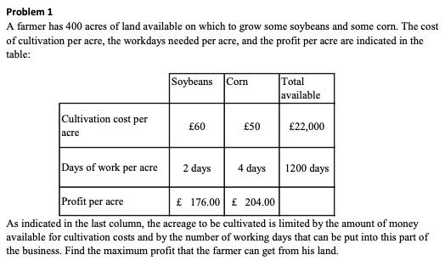
 | Soybeans | Corn | Total |  | Total Avail.
Cost/acre | 60 | 50 | 22000 | <= | 22000 | Total Cost of Planting Soybean and Corn has to be lower or equal to Total available Budget
Days/acre | 2 | 4 | 1200 | <= | 1200 | Total Spending Days must be smaller or equal to Available Days
Profit/acre | 176 | 204 | 76000 |  |  | Total Profit = Soybean Acre * Profit/acre of Soybean + Corn Acre * Profit/acre of Corn
Total acre | 200 | 200 | 400 | <= | 400 | Total Used Acre has to be lower or equal to Available Farm

Problem2
Bond | A | B | C | D | E |  | Yield+Original Money
Yield | 0.06 | 0.12 | 0.1 | 0.11 | 0.06 |  | A | B | C | D | E
Maturity | Short | Short | Short | Long | Long |  | 1.06 | 1.12 | 1.1 | 1.11 | 1.06
Risk | High | High | High | Low | Low
Tax-Free | No | No | Yes | No | Yes | s.t.
Amount to Invest | 0 | 17250 | 19750 | 53000 | 0 | 90000 | <= | 90000 | Total Available Money
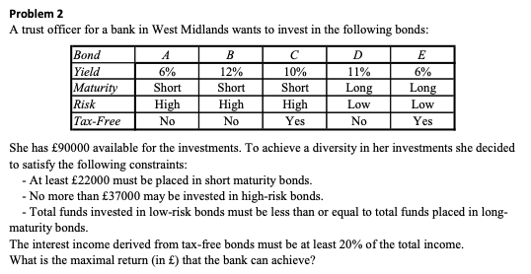
 |  |  |  |  |  | 37000 | >= | 22000 | Short Maturity Bonds
 |  |  |  |  |  | 37000 | <= | 37000 | High-Risk Bonds
 |  |  |  |  |  | 53000 | <= | 53000 | low-risk bonds <= long maturity bonds
 |  |  |  |  |  | 1975 | >= | 1975 | Tax-free bonds interest income >= 20% of total income
 |  |  |  |  |  | Total Income | 99875 |  |  |  |  | 20.00%
 |  |  |  |  |  | Max. Return | 9875

Problem3
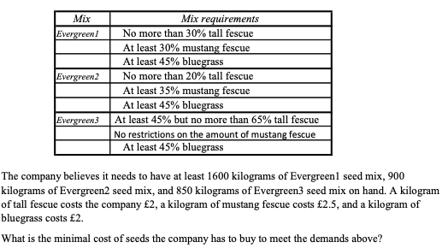
Mix | Tall Fescue | Mustang Fescue | Bluegrass | Amount |  |  | Tall Fescue | Mustang Fescue | Bluegrass | Transform Table
Evergreen1 | 30% | 30% | 45% | 1600 | >= | 1600 | 400 | 480 | 720 | 480 | 480 | 720 | K2:M4, K5 is to make the actual number of table of B2:D4 visible to set the constraints
Evergreen2 | 20% | 35% | 45% | 900 | >= | 900 | 180 | 315 | 405 | 180 | 315 | 405 | Made by weight of each mix (shown in E2:E4) multiples the percentage of each ingredients (shown in B2:D4)
Evergreen3 | 45% |  | 45% | 850 | >= | 850 | 382.5 | 0 | 467.5 | 552.5 |  | 382.5
 | 65% |  |  |  |  | Sum (kg) | 962.5 | 795 | 1592.5 | 382.5 | Total Cost | 7097.5
 |  |  |  |  |  | Cost/kg | 2 | 2.5 | 2
 |  |  |  | Total weight of 3 ingredients becomes the weight of each mix

Problem4
Cargo | Weight | Volume |  | Available Weight (kg) | vol/kg | profit/kg |  | Beef | Grain | sum (kg) | total vol
Fore | 60000 | 3500 | Beef | 80000 | 0.02 | 0.45 | Fore | 60000 | 0 | 60000 | 1200
Aft | 85000 | 5500 | Grain | 92000 | 0.03 | 0.25 | Aft | 20000 | 65000 | 85000 | 2350
 |  |  |  |  |  |  | sum (kg) | 80000 | 65000
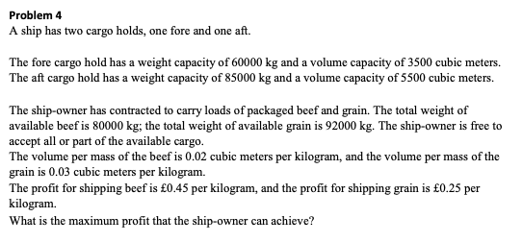
 |  |  |  |  |  |  | Profit | 52250

 |  |  |  |  |  |  |  |  |  |  |  | The Table of M2:N4 showing the weight and volume of each cargo has to be smaller or equal to the table of B2:C3 showing the limit of each cargo

 |  |  |  |  |  |  |  |  |  | K4 and L4 showing the total weight of beef and grain have to be smaller or equal to the available weight of each

Problem5
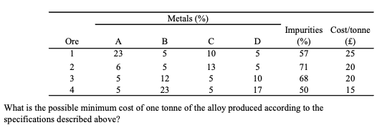
Ore | A | B | C | D | Impurities | Cost/tonne | tonnes | A | B | C | D
1 | 23% | 5% | 10% | 5% | 57% | 25 | 1.8267929635 | 0.4201623816 | 0.091339648173 | 0.18267929635 | 0.091339648173
2 | 6% | 5% | 13% | 5% | 71% | 20 | 0 | 0 | 0 | 0 | 0 | This table shows the exact tonne of each metal in each ore when tonnes of each ore minned (column H)
3 | 5% | 12% | 5% | 10% | 68% | 20 | 0 | 0 | 0 | 0 | 0
4 | 5% | 23% | 5% | 17% | 50% | 15 | 0.42895805142 | 0.021447902571 | 0.098660351827 | 0.021447902571 | 0.072922868742
 |  |  |  |  |  |  | 1 | 0.44161028417 | 0.19 | 0.20412719892 | 0.16426251691
 |  |  |  |  |  |  | = | >= | <=

 |  |  |  |  |  |  | 1 | 0.07 | 0.19 | 0.41 | 0.34
 |  |  |  |  |  |  |  |  |  |  | & |  | Constraints that change the % of each metal to the actual weight in alloy asked by customers
 |  |  |  |  |  |  |  |  |  |  | >=
 |  |  |  |  |  |  |  |  |  |  | 0.07
 |  |  |  |  |  |  | Total weight of alloy (sum of each purified metal)

 |  |  |  |  |  |  | Cost | 52.104194858

Problem6
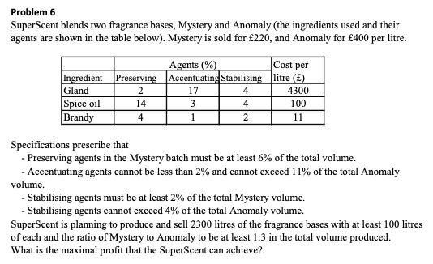
Ingredients | Agents |  |  | Cost/l (£) | Litre for Mystery | Litre for Anomaly | Total Usage
 | Preserving | Accentuaing | Stabilising
Gland | 2% | 17% | 4% | 4300 | 0 | 0 | 0
Spice Oil | 14% | 3% | 4% | 100 | 115 | 862.5 | 977.5
Brandy | 4% | 1% | 2% | 11 | 460 | 862.5 | 1322.5

Fragrance Bases | Agents |  |  | Price/l | Total Volume
 | Preserving | Accentuaing | Stabilising |  |  |  | Profit
Mystery | 34.5 | 8.05 | 13.8 | 220 | 575 |  | 704202.5
Anomaly | 155.25 | 34.5 | 51.75 | 400 | 1725
 | 189.75 | 42.55 | 65.55 |  | 2300

Subjects to |  |  |  | 6% | 11% | 2% | 4%
34.5 | >= | 34.5 | Preserving agents in Mys. >= 6% of total volume
189.75 | >= | 34.5 | Accentuating agents <= 11% of total Anomaly volume
34.5 | >= | 34.5 | Accentuating agents >= 2% of total Anomaly volume
13.8 | >= | 11.5 | Stabilising agents >= 2% of total Mystery volume
69 | >= | 51.75 | Stabilising agents <= 4% of total Anomaly volume
2300 | = | 2300 | Produce and sell 2300 litres of the fragrance bases
575 | >= | 100 | At least 100 litres of each
1725 | >= | 100
1725 | >= | 1725 | The ratio of Mystery to Anomaly >= 1:3
 |  |  |  |  |  | 3

Problem7
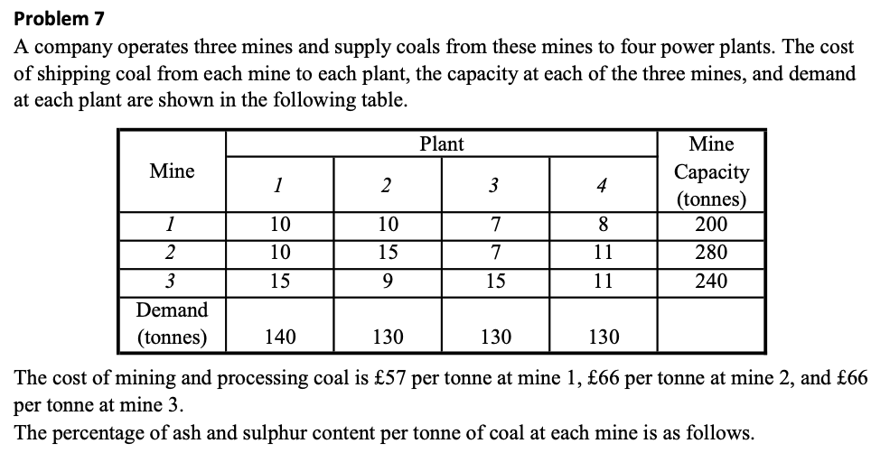
 |  |  |  |  |  |  |  |  | Constratints
Mine | Plant |  |  |  | Cost/Tonne (£) | Ash | Sulphur |  | Plant | Ash | Sculphur | Total
 | 1 | 2 | 3 | 4 |  |  |  |  | 1 | 8% | 7%
1 | 10 | 10 | 7 | 8 | 57 | 9% | 8% |  | 2 |  |  | 7%
2 | 10 | 15 | 7 | 11 | 66 | 2% | 3% |  | 3 | 9% | 7%
3 | 15 | 9 | 15 | 11 | 66 | 2% | 2% |  | 4 |  |  | 9%

Change the percentage of requirements to number
Plant | Ash | Sculphur | Total |  | Mine | Plant |  |  |  | Sum (tonnes)
1 | 11.2 | 9.8 |  |  |  | 1 | 2 | 3 | 4 |  |  | Mine Capacity (tonnes)
2 |  |  | 9.1 |  | 1 | 46 | 0 | 104 | 50 | 200 | <= | 200
3 | 11.7 | 9.1 |  |  | 2 | 94 | 0 | 26 | 0 | 120 |  | 280
4 |  |  | 11.7 |  | 3 | 0 | 130 | 0 | 80 | 210 |  | 240
The truly tonnes of ash and sculphur in the mines shipped to each plant |  |  |  |  | Sum (tonnes) | 140 | 130 | 130 | 130
Plant | Ash | Sculphur | Total |  |  | >=
1 | 6.02 | 6.5 | 12.52 |  | Demand | 140 | 130 | 130 | 130
2 | 2.6 | 2.6 | 5.2
3 | 9.88 | 9.1 | 18.98
4 | 6.1 | 5.6 | 11.7 |  | Total Cost | 37940

Problem8
 | Day
 | 1 | 2 | 3 | 4 | Sum
Demand For Napkins | 16 | 18 | 15 | 17 | 66

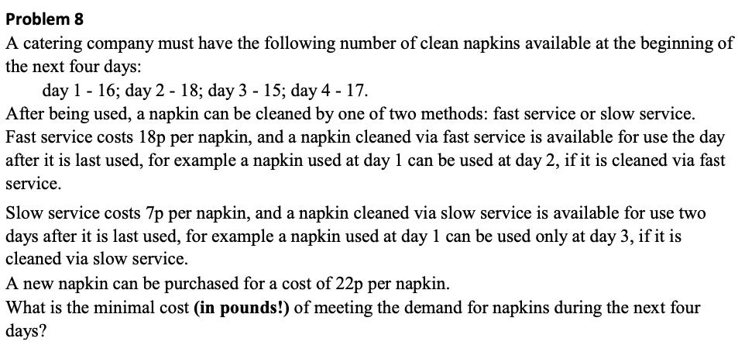
Service | Waiting Day | Price/napkin (￡)
Fast | 1 | 0.18
Slow | 2 | 0.07

New Napkin Price (￡) | 0.22

Price of buying or cleaning a napkin then sending to other day
Day | 1 | 2 | 3 | 4 | Supply
New | 0.22 | 0.22 | 0.22 | 0.22 | 66
1 | 10000 | 0.18 | 0.07 | 0.07 | 66
2 | 10000 | 10000 | 0.18 | 0.07 | 66
3 | 10000 | 10000 | 10000 | 0.18 | 66
Demand | 16 | 18 | 15 | 17
 |  |  | Set big number to make sure nothing can travel from the future to the past

Day | 1 | 2 | 3 | 4 | Sum | Total Cost
New | 16 | 17 | 0 | 0 | 33 | 9.68
1 | 0 | 1 | 15 | 0 | 16 |  | No matter how the solver arranges, the total napkins cannot exceed the sum of 4 days need
2 | 0 | 0 | 0 | 17 | 17
3 | 0 | 0 | 0 | 0 | 0
Sum | 16 | 18 | 15 | 17

 |  |  | the total in use each day has to greater or equal to the day ship to other days

Problem9
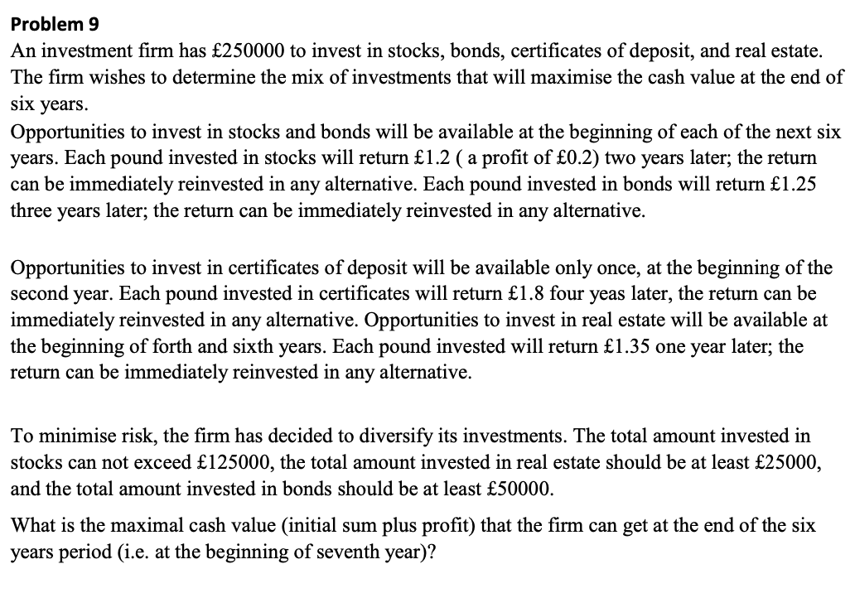
 | Portfolio | Return | Maturity | rules
 | Stocks | 1.2 | 2
 | Bonds | 1.25 | 3
 | Cert. of Dep. | 1.8 | 4 | beginning of year 2
 | Real Estate | 1.35 | 1 | beginning of year 4, 6

Portfolio |  | Year |  |  |  |  |  | Sum of Invest
 |  | Beg. Of 1 | Beg. Of 2 | Beg. Of 3 | Beg. Of 4 | Beg. Of 5 | Beg. Of 6
Stocks | Invest | 0 | 0 | 0 | 0 | 0 | 0 | 0 | <= | 125000
 | Return Can Use Next Year | 0 | 0 | 0 | 0 | 0 | 0
Bonds | Invest | 50000 | 0 | 0 | 0 | 0 | 0 | 50000 | >= | 50000
 | Return Can Use Next Year | 0 | 0 | 62500 | 0 | 0 | 0
Certificates | Invest | 0 | 200000 | 0 | 0 | 0 | 0 | 200000
 | Return Can Use Next Year | 0 | 0 | 0 | 0 | 360000 | 0
Real Estate | Invest | 0 | 0 | 0 | 62500 | 0 | 444375 | 506875 | >= | 25000
 | Return Can Use Next Year | 0 | 0 | 0 | 84375 | 0 | 599906.25
 | Total Invest of The Year | 50000 | 200000 | 0 | 62500 | 0 | 444375 | Set Total Invest of The Year <= Remain of the end last year
 | Total Return of The End of year | 0 | 0 | 62500 | 84375 | 360000 | 599906.25
 | Remain of the end of the year | 200000 | 0 | 62500 | 84375 | 444375 | 599906.25

 |  | <=
 |  | 250000

 |  |  |  |  |  |  |  | Because in the last year there is only real estate can be short enough to return before year 7, so put all the remain money into real estate in year 6

Problem10
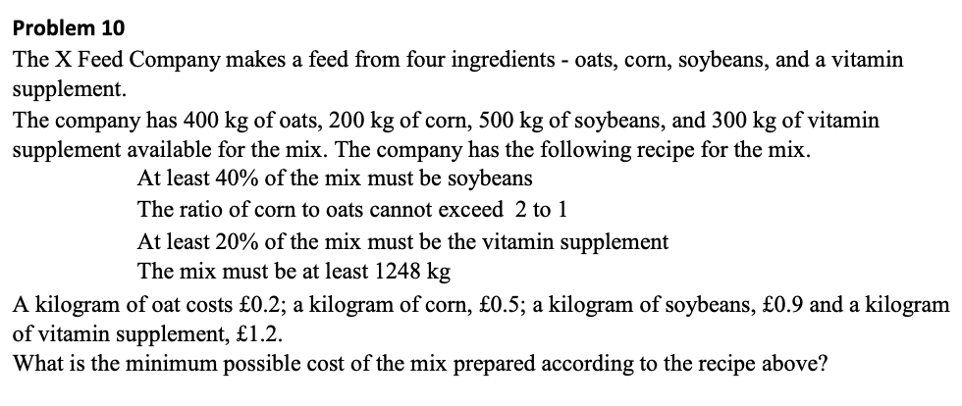
Ingredients | Cost/kg (￡) | Input (kg) | Avail. (kg) | Subject to
Oats | 0.2 | 400 | 400 | 499.2 | >= | 499.2 | At least 40% of the mix is soybeans
Corn | 0.5 | 99.2 | 200 | 800 | >= | 99.2 | The Ratio of Corn to Oats <= 2:1 (G5=2*Oats, I5=Corn)
Soybeans | 0.9 | 499.2 | 500 | 249.6 | >= | 249.6 | At least 20% of the mix is vitamin supplement
Vitamin | 1.2 | 249.6 | 300 | 1248 | >= | 1248 | The mix must be at least 1248
 |  |  |  |  |  |  |  | 40% | 2 | 20%
 | Sum | 1248
 |  |  |  | Total Cost | 878.4

